UI Mockups
User Story Card - UI Mockup
Create screen shots of the proposed user interface (UI) for this story
Instructions:
1) Determine what the baseline of the mockup should be and document over on the right. (OOTB) This screen shot(s) is just for reference.
2) Create screen shots of the proposed user interface (UI) for this story directly below. Add associated requirement # for new and modified fields from the 'UI Fields' tab

This screen will not be leveraged for production. It is used to define New Account data flow that will be expected as part of account creation in PAS prior to being sent to BC | < Insert baseline mockups for this story below >

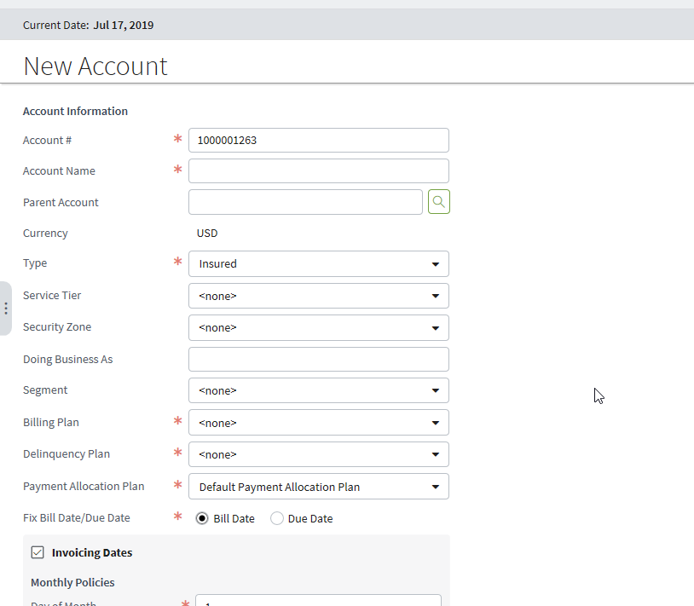

 | CPBuildingPopup.pcf

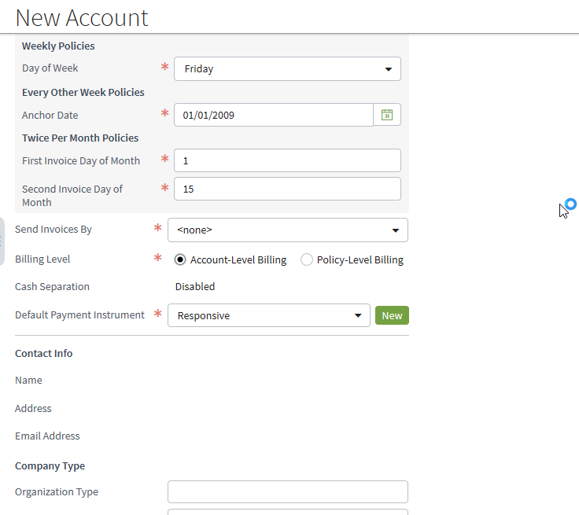

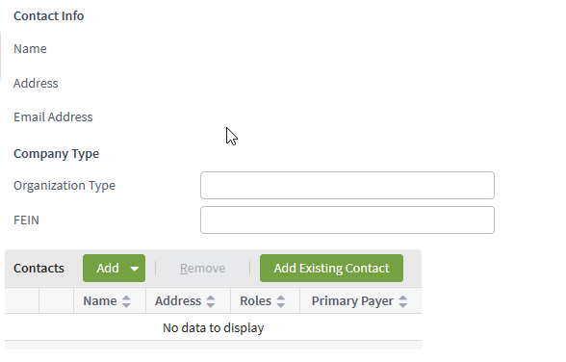

Added to address defect C4-137502
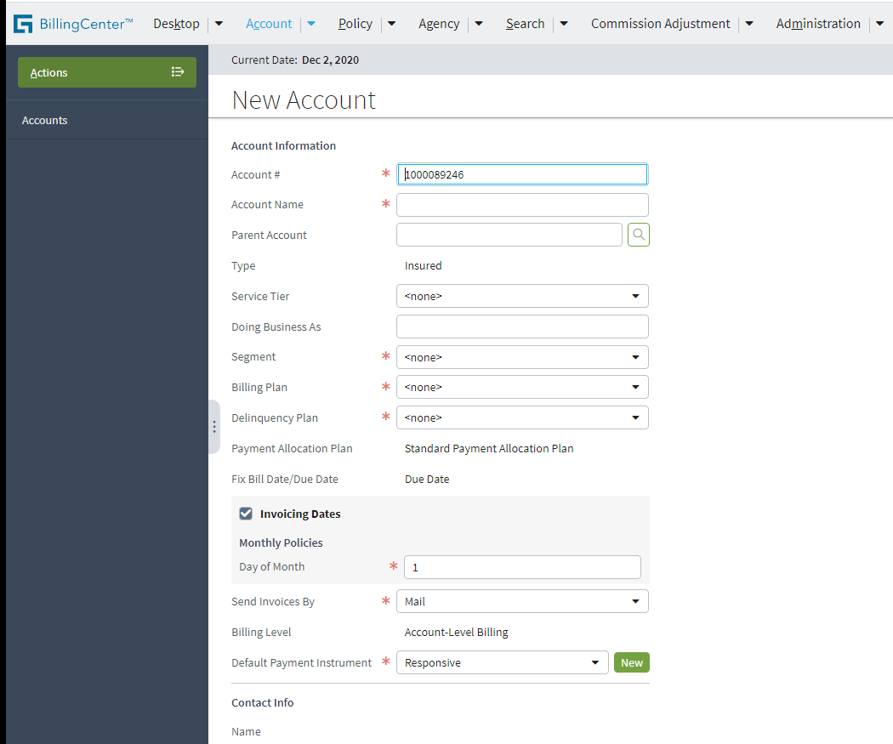

Hide/Remove 'New' button next to the Default Payment Instrument field. Keep this button hidden from this screen in all situations.

